Take
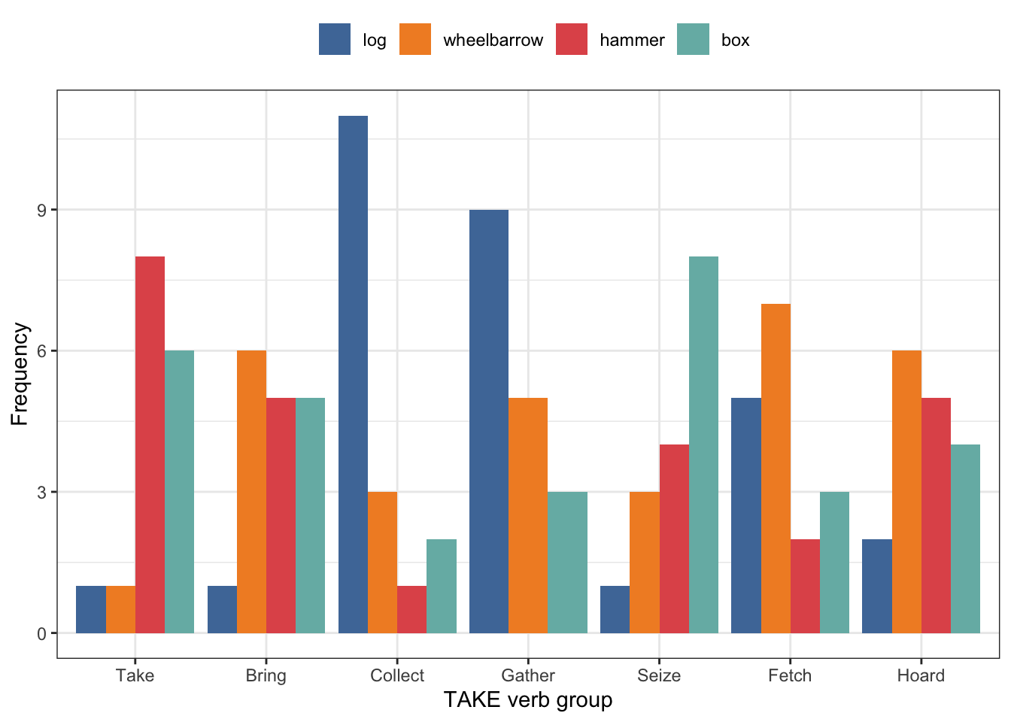
Noun | Take | Bring | Collect | Gather | Seize | Fetch | Hoard | Noun | Take | Bring | Collect | Gather | Seize | Fetch | Hoard
Log | 32 | 4 | 4 | 0 | 0 | 5 | 0 | Log | 7.239819005 | 2.45398773 | 26.66666667 | 0 | 0 | 33.33333333 | 0
Wheelbarrow | 4 | 0 | 0 | 0 | 1 | 0 | 0 | Wheelbarrow | 0.9049773756 | 0 | 0 | 0 | 25 | 0 | 0
Hammer | 112 | 58 | 0 | 2 | 1 | 3 | 0 | Hammer | 25.33936652 | 35.58282209 | 0 | 66.66666667 | 25 | 20 | 0
Box | 294 | 101 | 11 | 1 | 2 | 7 | 0 | Box | 66.5158371 | 61.96319018 | 73.33333333 | 33.33333333 | 50 | 46.66666667 | 0
Grand Total | 442 | 163 | 15 | 3 | 4 | 15 | 0 | Grand Total | 100 | 100 | 100 | 100 | 100 | 100 | 0

Make
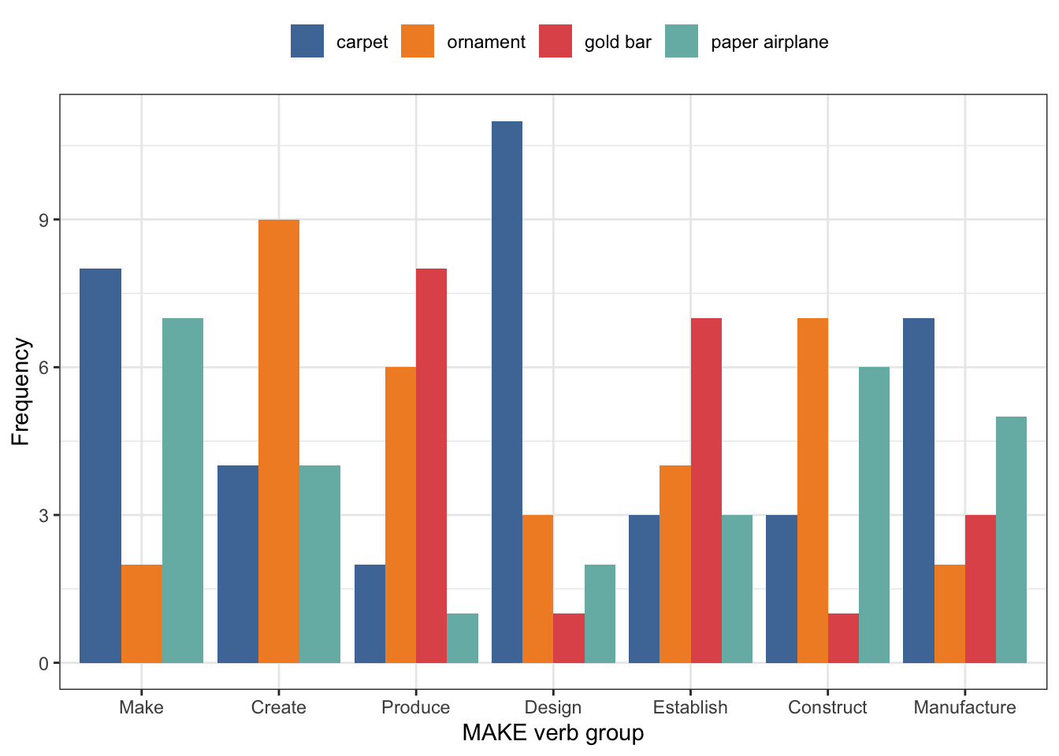
Noun | Make | Create | Produce | Design | Establish | Construct | Manufacture | Noun | Make | Create | Produce | Design | Establish | Construct | Manufacture
Carpet | 18 | 0 | 0 | 5 | 0 | 0 | 0 | Carpet | 54.54545455 | 0 | 0 | 71.42857143 | 0 | 0 | 0
Ornament | 6 | 3 | 1 | 2 | 1 | 0 | 1 | Ornament | 18.18181818 | 100 | 100 | 28.57142857 | 100 | 0 | 100
Gold Bar | 1 | 0 | 0 | 0 | 0 | 0 | 0 | Gold Bar | 3.03030303 | 0 | 0 | 0 | 0 | 0 | 0
Paper Airplane | 8 | 0 | 0 | 0 | 0 | 1 | 0 | Paper Airplane | 24.24242424 | 0 | 0 | 0 | 0 | 100 | 0
Grand Total | 33 | 3 | 1 | 7 | 1 | 1 | 1 | Grand Total | 100 | 100 | 100 | 100 | 100 | 100 | 100

Find
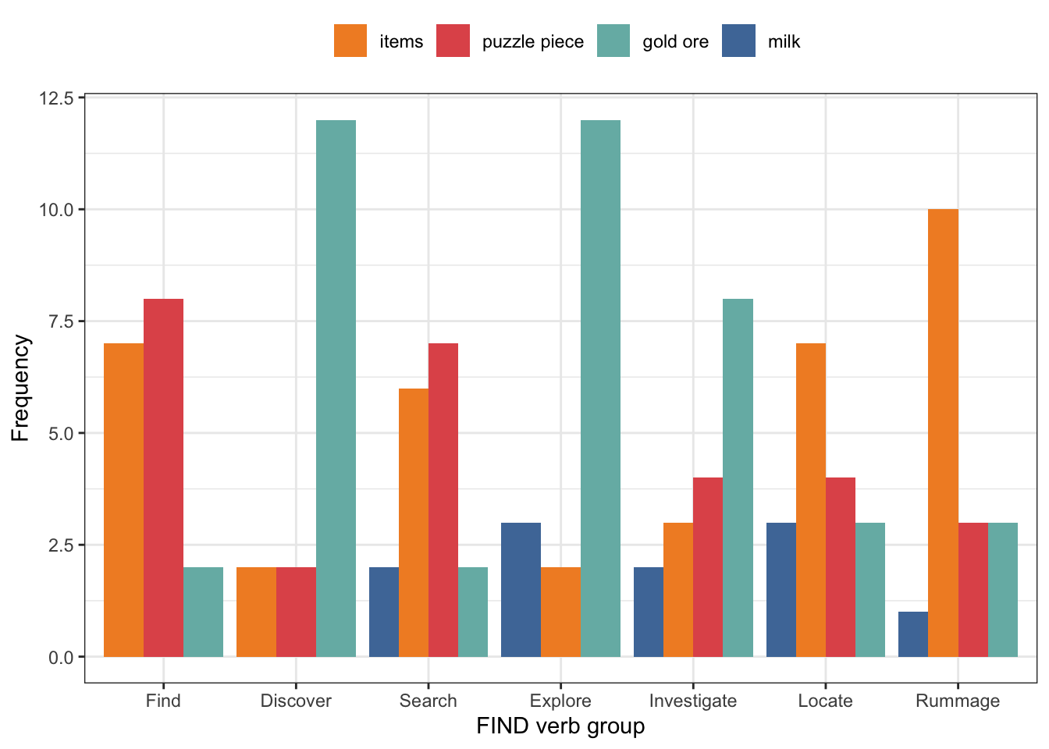
Noun | Find | Discover | Search | Explore | Investigate | Locate | Rummage | Noun | Find | Discover | Search | Explore | Investigate | Locate | Rummage
Milk | 60 | 2 | 1 | 0 | 0 | 0 | 0 | Milk | 25.3164557 | 10.52631579 | 2.857142857 | 0 | 0 | 0 | 0
Items | 177 | 17 | 34 | 2 | 9 | 21 | 0 | Items | 74.6835443 | 89.47368421 | 97.14285714 | 100 | 100 | 100 | 0
Puzzle Piece | 0 | 0 | 0 | 0 | 0 | 0 | 0 | Puzzle Piece | 0 | 0 | 0 | 0 | 0 | 0 | 0
Gold Ingot | 0 | 0 | 0 | 0 | 0 | 0 | 0 | Gold Ingot | 0 | 0 | 0 | 0 | 0 | 0 | 0
Grand Total | 237 | 19 | 35 | 2 | 9 | 21 | 0 | Grand Total | 100 | 100 | 100 | 100 | 100 | 100 | 0

Get
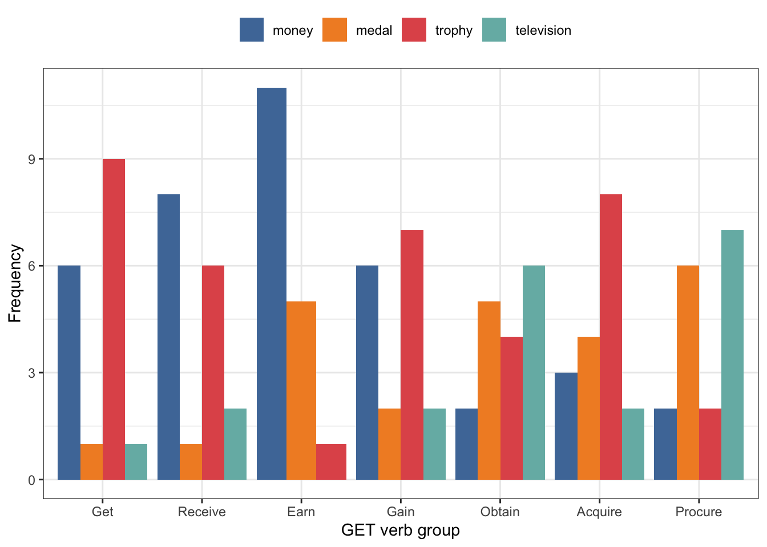
Noun | Get | Receive | Earn | Gain | Obtain | Acquire | Procure | Noun | Get | Receive | Earn | Gain | Obtain | Acquire | Procure
Money | 10158 | 700 | 1563 | 42 | 75 | 19 | 1 | Money | 94.26503341 | 75.92190889 | 96.12546125 | 85.71428571 | 91.46341463 | 63.33333333 | 100
Medal | 254 | 178 | 50 | 3 | 2 | 0 | 0 | Medal | 2.357089829 | 19.30585683 | 3.07503075 | 6.12244898 | 2.43902439 | 0 | 0
Trophy | 134 | 28 | 11 | 0 | 2 | 2 | 0 | Trophy | 1.243504083 | 3.036876356 | 0.6765067651 | 0 | 2.43902439 | 6.666666667 | 0
Television | 230 | 16 | 2 | 4 | 3 | 9 | 0 | Television | 2.13437268 | 1.735357918 | 0.12300123 | 8.163265306 | 3.658536585 | 30 | 0
Grand Total | 10776 | 922 | 1626 | 49 | 82 | 30 | 1 | Grand Total | 100 | 100 | 100 | 100 | 100 | 100 | 100

Give
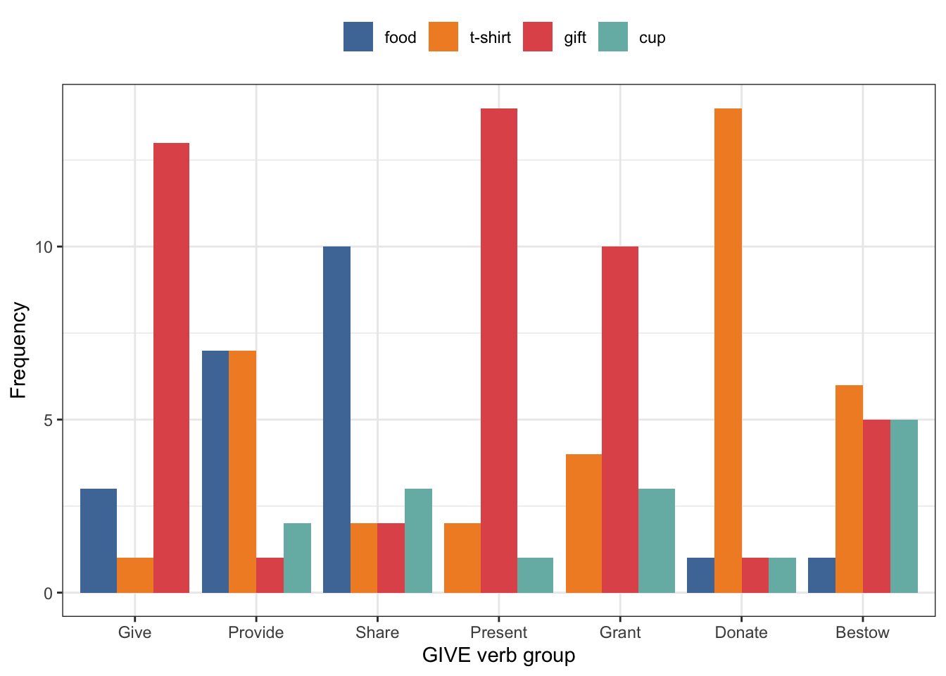
Noun | Give | Provide | Share | Present | Grant | Donate | Bestow | Noun | Give | Provide | Share | Present | Grant | Donate | Bestow
Food | 636 | 367 | 169 | 40 | 18 | 47 | 0 | Food | 48.25493171 | 96.07329843 | 56.7114094 | 41.66666667 | 64.28571429 | 83.92857143 | 0
T-Shirt | 5 | 1 | 0 | 1 | 0 | 0 | 0 | T-Shirt | 0.3793626707 | 0.2617801047 | 0 | 1.041666667 | 0 | 0 | 0
Gift | 643 | 14 | 83 | 51 | 10 | 8 | 14 | Gift | 48.78603945 | 3.664921466 | 27.85234899 | 53.125 | 35.71428571 | 14.28571429 | 100
Cup | 34 | 0 | 46 | 4 | 0 | 1 | 0 | Cup | 2.579666161 | 0 | 15.43624161 | 4.166666667 | 0 | 1.785714286 | 0
Grand Total | 1318 | 382 | 298 | 96 | 28 | 56 | 14 | Grand Total | 100 | 100 | 100 | 100 | 100 | 100 | 100

